Instructions for use
Calculation for one empty product package
1. Go to "Product data & Calculator" sheet
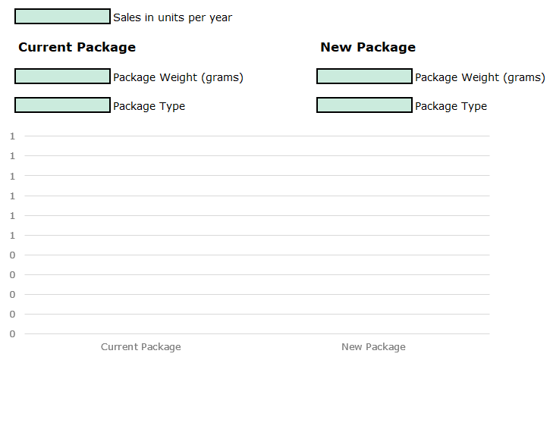
2. Insert sales units

3. Insert details of current empty package: write weight in grams and select package type

4. Insert details of new empty package: write weight and select package weight

5. The graph below becomes automatically populated and shows the impact of the change

Calculation for product portfolio
1. Go to "Portfolio data" sheet

2. Insert current and new information per product per row: write sold units, select package types and write empty package weights | 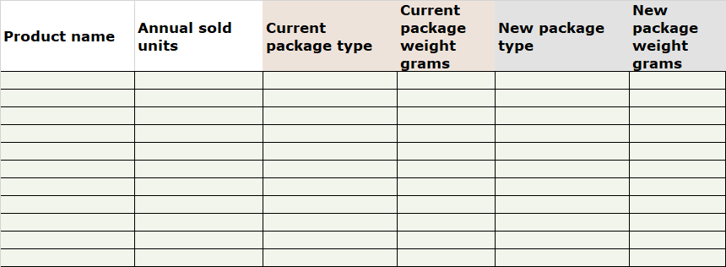

3. Repeat for all other products in your portfolio

4. Calculator is populated automatically on sheet "Calculator Portfolio level"

Product data & Calculator
 | Sales in units per year

Current Package |  | New Package

 | Empty package Weight (grams) |  | Empty package Weight (grams)

 | Package Type |  | Package Type
Current Package | #N/A
New Package | #N/A
#N/A | Annual CO2 KG | #N/A | Annual CO2 KG
 |  |  |  | Annual CO2e Saving potential

 |  |  |  | #N/A | kg

Calculator Portfolio level
Current Packages |  | New Packages

All data keyed to 'Portfolio data' sheet

Current Packages | 0
New Packages | 0
0 | Annual CO2 KG | 0 | Annual CO2 KG
 |  |  |  | Annual CO2e Saving potential

 |  |  |  | 0 | kg

